Instruction
No. | Topic | Description
General Information
1 | Abbreviation | PDS = Packaging Data Sheet VG = Vaillant Group SLH = Supplier Logistics Handbook
2 | Create a Copy - Naming Convention | Since the cells are linked to each other, the value of one cell can influence whether another is automatically filled or not. If a manual entry is necessary the original formula of a cell will be overwritten which is why a copy of the PDS should be created in a new tab or new file in order to restore the fumlar if needed. Document shall be saved with the following naming convention: PDS_materialno_supplier_version
3 | PDS Process | Generally, a packaging will be propose by VG (primarily VG specific reusable packaging). After that the packaging details are filled in by the supplier. If the proposal is not feasible the supplier can make a new one and fill in the packaging details regarding his own proposal. As the PDS should not be handed over supplier-specific the "Supplier-No." and "Packaging Specification-No." must not be pre-filled. They will be filled in later by VG when the details are known. The PDS is a mandatory document and needs to be approved by VG.
4 | Version | VG starts completing the PDS (Version 1) then the document goes to the supplier which fills in the remaining information. At this point the PDS is completed which means that from now on the version number must be increased for every further change.
5 | Quantity of PDS per Part Number | For each part number only one PDS per VG location is permitted. This is to ensure that the packaging and quantity of a specific part is always the same within a specific VG location. If packaging and quantity of a specific part are identical at several locations, only one PDS should be created for all locations (for further information see SLH).
6 | Deviation from PDS | VG reserves the right to transfer to the supplier any costs incurred as a result of non-compliance with the PDS. Deviations from the PDS are only permitted in exceptional cases and must be confirmed in writing by VG in advance (for further information see SLH).
7 | Color Code | There is a color code that helps the user to fill in the PDS. The colors have the following meaning: → Green cells: Needs to be filled by VG → Red cells: Needs to be filled by supplier → Grey cells: Will be filled automatically
8 | Filling in the Cells | → Drop-Down or manual input to fill the cells → Some cells are linked and filled in automatically → There are cells which can have an automatic or manual input. This cells are grey at the beginning and switch to red if a manual input is necessary. Additionally the note "manual input" will be pop up in these specific cells. → For cells without content a " '- " should be entered

Wording
9 | Packaging Unit | The packaging unit describes all components which are necessary to protect the parts. Generally, it is at least a plastic or cardboard box. In some cases other packaging means such as separators, layers, foils could be placed inside the box to increase the part protection. The packaging unit is described in SAP as first level packaging.
10 | Pallet Unit | The pallet unit consists of the pallet itself as main component. VG distinguished between two different variants of pallet units. The first is a pallet on which boxes (packaging units) are loaded. The second is a large load carrier such as Mega Packs or grid boxes. The pallet unit is described in SAP as main level packaging.
11 | Drawing Pallet/Packaging Unit | 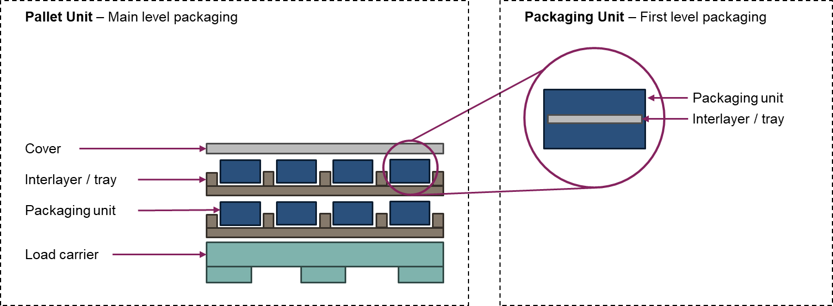 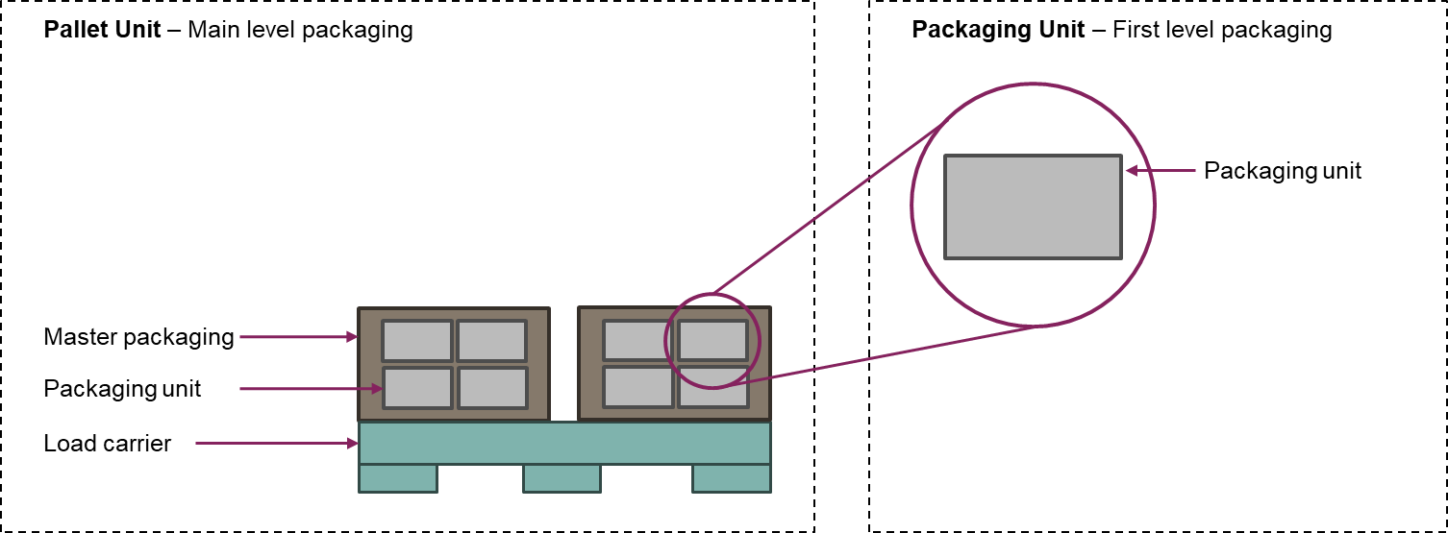

Detailed PDS Description
12 | Basic Information
 | → Version | - Consecutive number which must be increased with every change of the PDS
 | → Part Name | - Name of the packed part
 | → Vaillant Part-No. | - Vaillant part number
 | → Vaillant Plant | - All VG location that are supplied with the specific part in the specific packaging
 | → Supplier Name | - Name of the supplier
 | → Supplier-No. | - Number of supplier in VG-System. Must not be pre-filled.
 | → Packaging Specification-No. | - Number which is created by the SAP EWM-System. Must not be pre-filled.

13 | General Information
 | → Quantities and Packaging Types | - Packaging type of pallet and packaging unit needs to be entered - Parts per pallet and packaging unit needs to be entered - Quantity of packaging unit per pallet unit will be calculated automatically
 | → Dimensions & Weights | - Most dimensions entered automatically - Manual input: - Outside height of pallet box combination needs to be entered manually as it depends on the quantity of box layers loaded on the pallet. Outside height includes all components (pallet, boxes and possible covers). - Dimensions of non-standard pallets need to be entered manually - Inside dimensions of cardboard boxes need to be entered manually as they vary depending on used cardboard - Part dimensions and weight need to be entered manually

14 | Detailed Packaging Information Columns packaging/pallet unit
 | → Relevant | - Request whether the specific packaging mean exist in the pallet unit or not
 | → Reusable | - Request whether the specific packaging mean is reusable or not
 | → Sell and Buy | - Request whether the specific packaging mean is part of a sell and buy system or not. In such a system the supplier buys the packaging from a service provider and sell it to VG which sells it back to the service provider.
 | → Material | - Material of which the specific packaging mean is made of needs to be entered
 | → Quantity per pallet/box | - Quantity of the specific packaging mean within a pallet unit or packaging unit (box) needs to be entered
 | → Vaillant SAP-Number | - Vaillant SAP-Number needs to be entered (normally just necessary for reusable packaging)
 | → Type / Description | - Additional useful information could be added. For example service provider if the packaging is part of a sell and buy system or the function of specific packaging means.
 | → Weight per Piece [kg] | - Weight per piece of the specific packaging mean needs to be entered
 | → Total Weight [kg] | - Total weight will be entered automatically

15 | Detailed Packaging Information Rows pallet unit
 | → Packaging type (first raw) | - All columns will be filled in automatically - Only exception is column "Weight per Piece [kg]" for non-standard pallets as no standard weight exist, need to be entered manually
 | → Layer / Interlayer | - Layers and Interlayers used in large load carries at the bottom, top or between the part levels to increase the part protection
 | → Separator / Tray / Nesting | - If parts are very sensitive separators can be used to avoid direct contact and increase protection - Trays and nestings adapted to part shape and enable maximum protection as the parts are fixed and separated
 | → Poles | - In some cases poles are needed to support the levels of trays or nestings as the parts should not lie directly on each other
 | → Foil | - Sometimes boxes and pallet are wrapped with foil to fix them
 | → Strap | - Sometimes boxes strapped on the pallet to fix them
 | → Additional Cover (with own SAP-No.) | - Only to be filled in if the cover is not part of the load carrier and has an own SAP-No.
 | → Master Packaging | - The master packaging described a bigger box which is filled with smaller ones (should be avoided)
 | → Others (description required) | - If other packaging means are used a description is mandatory

16 | Detailed Packaging Information Rows packaging unit
 | → Packaging type (first raw) | - All columns will be filled in automatically - Only exception is column "Weight per Piece [kg]" for cardboard boxes as no standard weight exist, need to be entered manually
 | → Layer / Interlayer | - Layers and Interlayers used in small load carries at the bottom, top or between the part levels to increase the part protection
 | → Separator / Tray / Nesting | - If parts are very sensitive separators can be used to avoid direct contact and increase protection - Trays and nestings adapted to part shape and enable maximum protection as the parts are fixed and separated
 | → Foil / Bag | - Sometimes parts are inside foils or bags to increase part protection
 | → Others (description obligatory) | - If other packaging means are used a description is mandatory

17 | Stackability
 | → Number of stackable Pallet Units in truck (dynamic load) | - 0 = no limitation: No limitation for stacking packaging units - 1 = 1 + 0: No stacking allowed - 2 = 1 + 1: One packaging unit can be stacked - X = 1 + X: X packaging units can be stacked
 | → Number of stackable Pallet Units in storage (static load) | - 0 = no limitation: No limitation for stacking packaging units - 1 = 1 + 0: No stacking allowed - 2 = 1 + 1: One packaging unit can be stacked - X = 1 + X: X packaging units can be stacked

18 | Miscellaneous
 | → Transport test necessary? | - The necessity of a transport test is determined by the supplier. If it is necessary "yes" needs to be entered, otherwise "no".
 | → UN Number | - "Yes" needs to be entered if hazardous goods are transported, otherwise "no" - If hazardous goods are being transported the corresponding UN number and the weight must be entered
 | → Special requirements or deviations from SLH (e.g. temperature or humidity ranges, additional labels, shelf life < 2 years, etc.) | - If the requirements of the SLH cannot be met and affect the packaging, they must be approved in writing by VG and the cell needs to be marked with “Yes” (otherwise with “No”). - Additional "special" packaging requirements can be also added in this cell - The requirement/deviation needs to be shortly described
...

Example 1
...
Total Weight [kg]
...
371.7
-
6

 |  | Pallet Unit
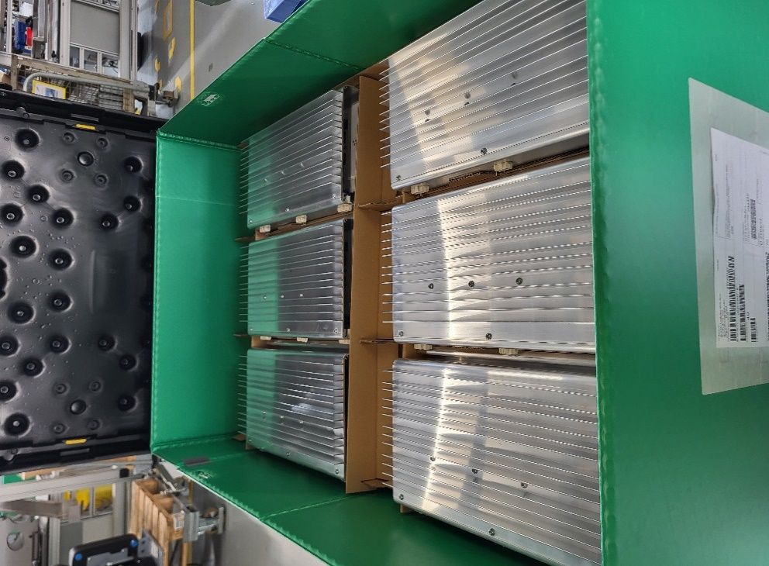
...
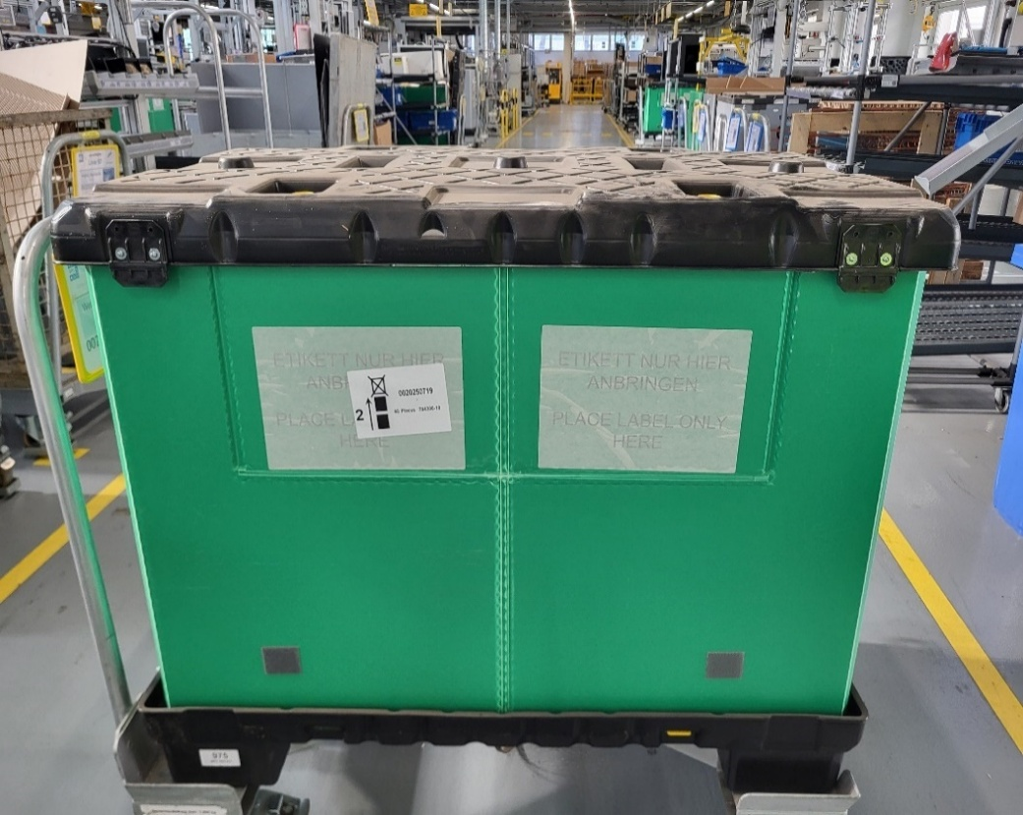
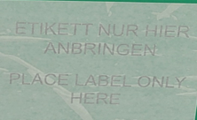
Weight per Piece [kg] | Total Weight [kg]
33 | 33
0.6 | 1.2
1.5 | 13.5
- | 0
- | 0
- | 0
- | 0
- | 0
- | 0
...
Weight per Piece [kg] | Total Weight [kg]
- | 0
- | 0
- | 0
- | 0
- | 0
 |  | Transport Unit
...
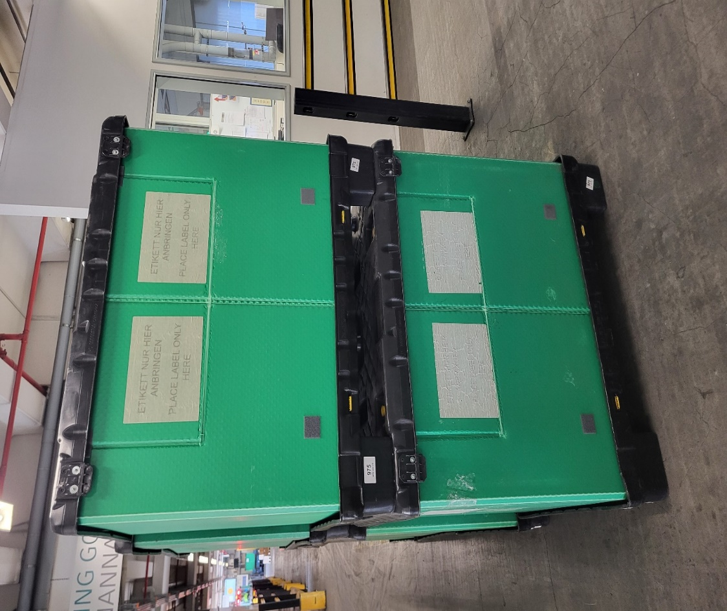
...

Example 2
 |  |  | Packaging Unit
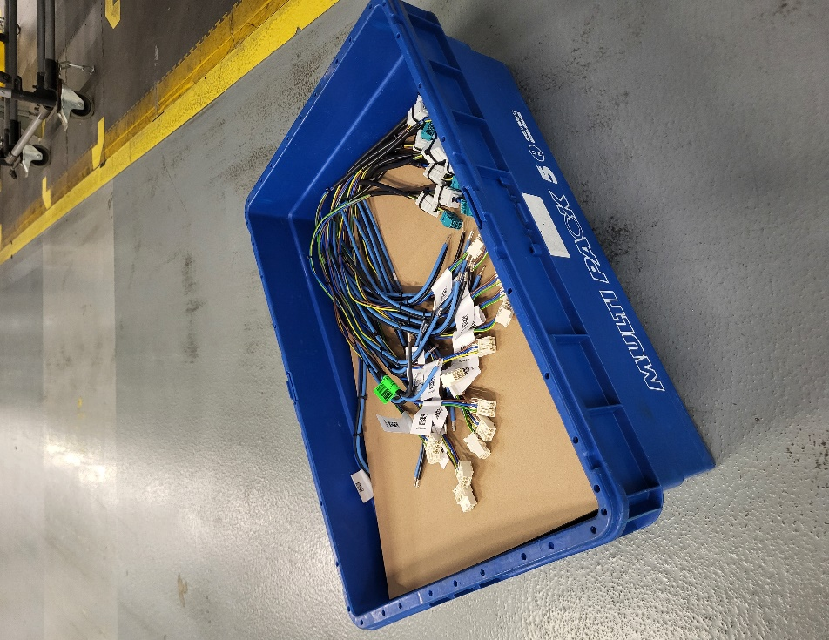
...
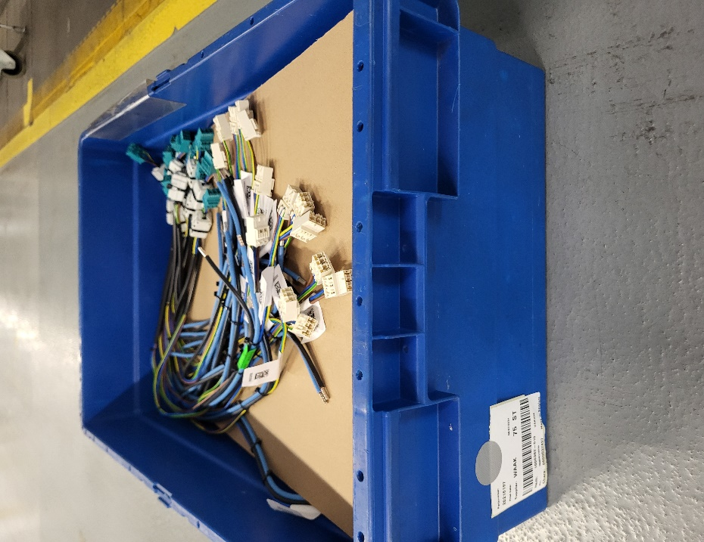
 |  | Vaillant Input
 |  | Supplier Input
 |  | Automatic Input
...
Total Weight [kg]
...
287.54
22.67
0.25

 |  |  | Pallet Unit
...
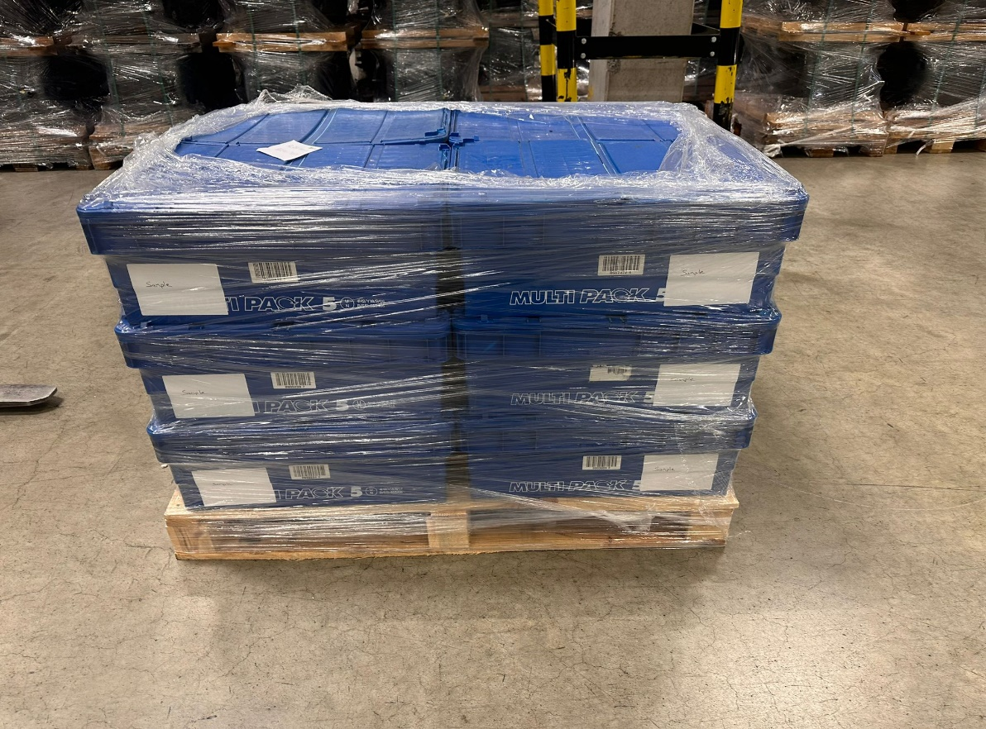
Weight per Piece [kg] | Total Weight [kg]
15 | 15
- | 0
- | 0
- | 0
0.5 | 0.5
- | 0
...
 |  |  | Transport Unit
...

